General Information
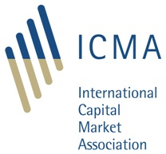
ERCC SFTR Task Force - Sample Reports

ICMA's SFTR Sample Reports provide a comprehensive set of practical examples showing SFTR reporting requirements applied to a range of different repo scenarios. The sample reports are based on the work of the ERCC's SFTR Task Force, reflecting agreed interpretations of SFTR reporting rules as well as additional best practice recommendations set out in the ICMA Recommendations for Reporting under SFTR. In total, the ICMA SFTR sample reports cover over 40 different repo scenarios, including initial reports as well as subsequent lifecycle events (see "LIST" tab for a complete overview). The full document is available to ICMA members through the ERCC SFTR Task Force member portal. One of the sample reports is included in this public version of the document for reference. If you have any questions or would like to discuss ICMA membership options, please reach out to ercc@icmagroup.org.

